Sheet1
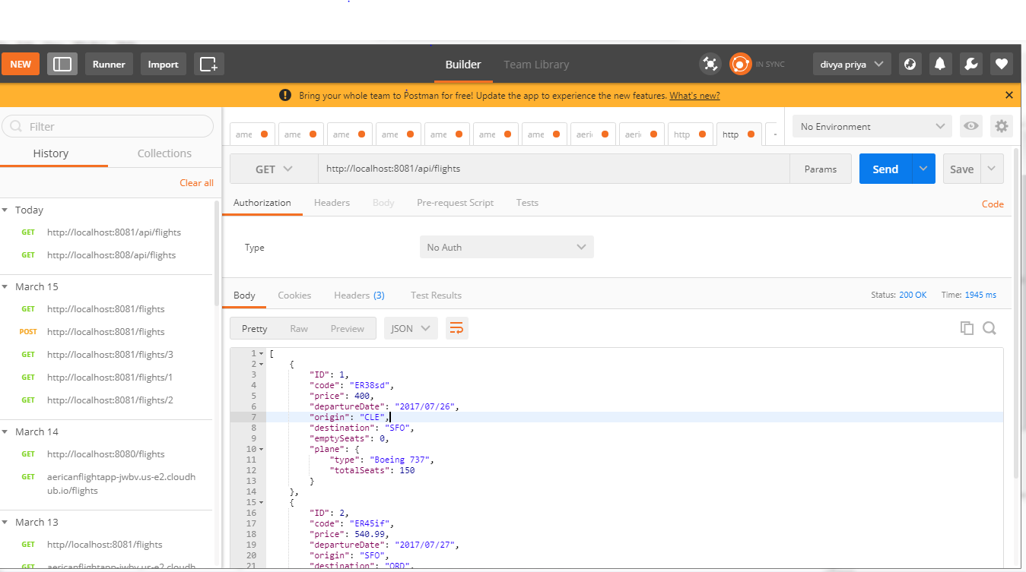
Implementing RESTful web service upto back-end logic

